Description
Valid data direct

Authors:

Giovanni Trotta

Reviewers:

Reviewers of this document

Date and version:

Date of creation and historical evolution of this document
Date | Version | Authors | Description
30/ 01/ 2014 | 0.0.1 | Giovanni Trotta | Draft

Input documents:

• Subset 26 §3.6
• Subset 36

Files to complete this analysis

• List of input documents

Description

The aim is to validate the direction and orientation of the train acquiring the information from the balises. Two balise are required at least to take direction. When the ERTMS/ETCS receive info from the first balise wait until data from the next balise are received, then it can evaluate the direction. If the train position is unknown and the direction is Reverse or Nominal OBU shall rejected If there is a single balise group (single and unchained balise) with no co-ordinate system data by the track side for single direction shall be rejected. Both direction data shall be evaluate. |  |  |  | 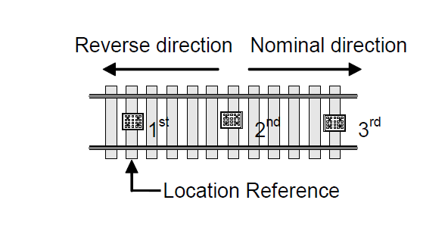
 |  |  |  | Figure 1

Design choices
Input:
LRBG
List of BG´
Output:
Valid data

Question

How the balises are grouped?
One LRBG with more than one balise is not enough to retreive direction information?

